System block Diagram
 | [Note：The below Table is NOT exhaustive. The contents need to be modified or added accordingly] [注意：模板中的条目并不是必须的，也没有穷尽，应根据项目进行删减或添加]
1.system Architecture (consider all the element not only safety related)
abstract the whole system architecture here, including the safety related blocks AND non-safety releted blocks
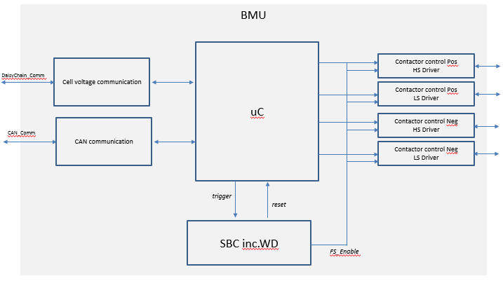

No. | Block name | Function
1 | Cell voltage communication | FuncDef_1: transmission of cell voltage from CMU to uC for safety monitoring;
2 | uC | FuncDef_1: SOC/SOH calculation; FuncDef_2: monitoring of the cell voltage, handling of safety related violation;
3 | SBC inc.WD | FuncDef_1: power supply for the ECU; FuncDef_2: watchdog for monitoring of uC; FuncDef_3: FS enable in case of permanent fault inside uC;
4
5

